Our Approach to Planning
60% of the future workforce are already in post
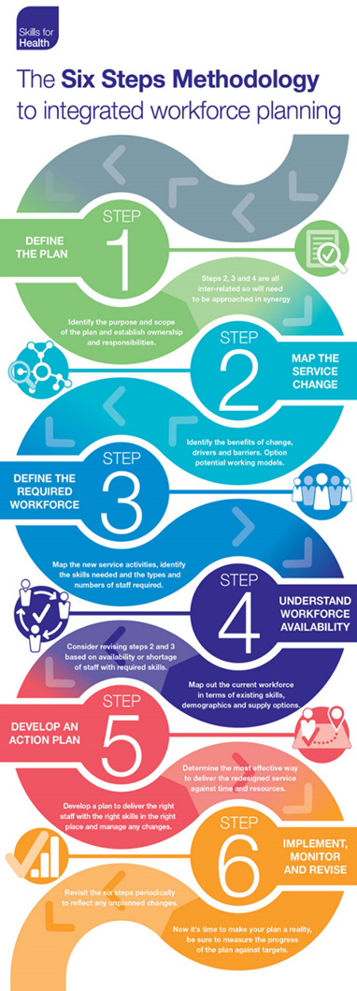
Back to Main Menu | HEIW Toolkit to support Workforce Planning

Workforce Planning is not an add on it is a part of every Leader / Managers job
The workforce needs to be flexible across organisational and professional boundaries
Workforce Planning needs to be based on what skills and competencies are needed
OUR AMBITION | "By 2030, we will have a sustainable workforce in sufficient numbers to meet the health and social care needs of our population" | Workforce planning in NHS Wales is based on the Skills for Health Six Step Methodology. In secondary care it is linked to the requirements of the Integrated Medium-Term Plans (IMTPs). In primary care, this approach has been adapted for use in Clusters and to support the requirements of Cluster Integrated Medium-Term Plans. This toolkit will help in the development of local workforce plans in applying the six steps methodology.
Source: A Healthier Wales - Workforce Strategy for Health and Social Care (click to view)
The six step model fits within the NHS Wales Planning Framework and can support development of Operational Plans in the short, medium and longer term | Short Term Planning up to 12 months ahead | Medium Term Planning up to 3 years | Long Term Planning up to 10 years
 | Could also be described as establishment monitoring, typically includes headcount, budget management and is usually reactive to immediate service demand. | Likely to be linked to IMTP planning, focusses on workforce required to meet IMTP aims and objectives. Typically includes planned recruitment, succession planning, and organisation change plans. | Usually developed to meet longer term strategies. Typically includes scenario planning for future service models, longer term projects, predictions in availability of future workforce, increasing demand for services aligned to population changes.
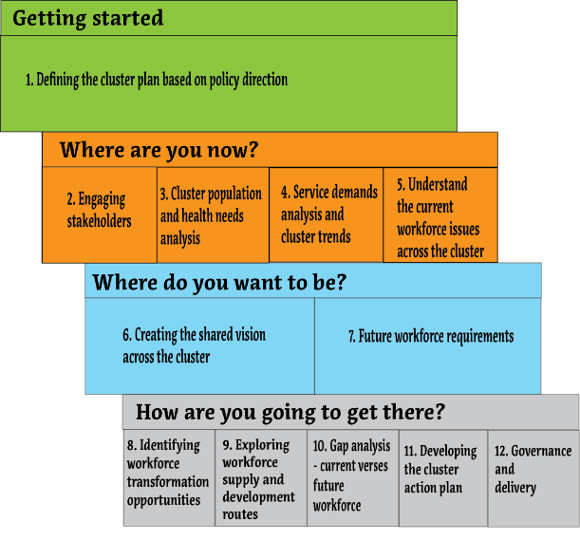
Primary Care Cluster Workforce Planning Approach By completing each of the activities within the 12 stages included in the planning approach a Cluster can develop a robust workforce plan to ensure primary care has the ‘right people with the right skills in the right place at the right time, within an affordable budget’ to deliver safe sustainable primary care services.

Successful workforce planning in primary care requires:
Collaboration:- Co-operation and collaboration across all practices in a cluster and with other identified stakeholder groups, working together to identify shared sustainable workforce solutions for local primary care services. | Risk Management:- Robust governance when exploring innovative workforce planning opportunities to weigh up the risks and benefits and develop enabling solutions and mitigations.
Effective Leadership:- Engaged and motivated leadership is needed to drive workforce planning within the cluster. | Change Management:- Effective change management, including gaining the commitment of people to participate in the process and embrace workforce changes identified as required.

