Our Approach to Planning
60% of the future workforce are already in post
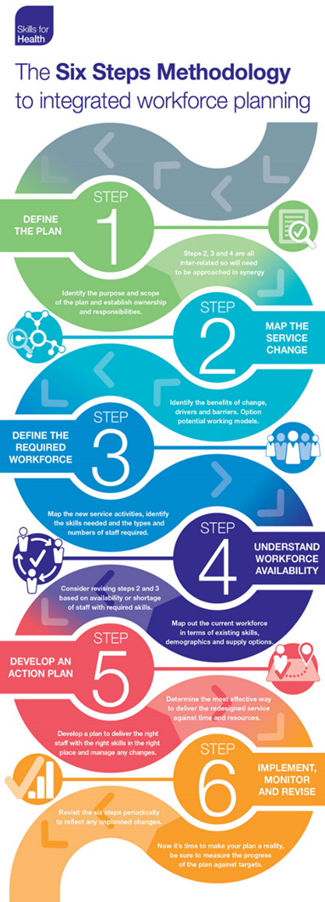
Back to Main Menu | HEIW Toolkit to support Workforce Planning

Workforce Planning is not an add on it is a part of every Leader / Managers job
The workforce needs to be flexible across organisational and professional boundaries
Workforce Planning needs to be based on what skills and competencies are needed
OUR AMBITION | "By 2030, we will have a sustainable workforce in sufficient numbers to meet the health and social care needs of our population" | Workforce planning in NHS Wales is based on the Skills for Health Six Step Methodology. In secondary care it is linked to the requirements of the Integrated Medium-Term Plans (IMTPs). In primary care, this approach has been adapted for use in Clusters and to support the requirements of Cluster Integrated Medium-Term Plans. This toolkit will help in the development of local workforce plans in applying the six steps methodology.
Source: A Healthier Wales - Workforce Strategy for Health and Social Care (click to view)
The six step model fits within the NHS Wales Planning Framework and can support development of Operational Plans in the short, medium and longer term | Short Term Planning up to 12 months ahead | Medium Term Planning up to 3 years | Long Term Planning up to 10 years
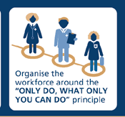 | Could also be described as establishment monitoring, typically includes headcount, budget management and is usually reactive to immediate service demand. | Likely to be linked to IMTP planning, focusses on workforce required to meet IMTP aims and objectives. Typically includes planned recruitment, succession planning, and organisation change plans. | Usually developed to meet longer term strategies. Typically includes scenario planning for future service models, longer term projects, predictions in availability of future workforce, increasing demand for services aligned to population changes.

2. Map The Service Change
Back to Main Menu | Step 2 - Map The Service Change
 | This is about the service redesign in response to service user need and/or changes in service delivery. This is the first of three inter-related steps. You must be very clear about current costs and outcomes and identifying the intended benefits from service change. You should identify those things that support the change or may hamper it. There must be a clarity about whether the preferred model better delivers the desired benefits or is more likely to be achievable, given anticipated constraints. | Potential Outputs at this stage:- Project Initiation Document (PID) - Continued Options Appraisal Literature Review/Research Strategic Workforce Plan - Continued Impact Assessments - Continued Risk Assessment - Continued
 | Tips, Tools and Resources to help you - you will find a range of templates tools and links to useful resources on the HEIW Workforce Planning Resources Page | Click here to go to HEIW Workforce Planning Resource Page
 | You will need to think about current budget, future budget and if you have any cost savings plans. Speak to your finance team who will be able to help you with the Financial aspects of your plan
 | Do you have any performance measures, targets, outcomes you currently monitor that should be included?
 | It may be worth thinking about undertaking a literature review or doing some field research. Has anyone already done what you are planning to do? does this help you in developing your plan?
 | You might want to refer to some national statistics and data. Find some links to Stats Wales, Office for National Statistics and population health information on the HEIW resources page
 | An option appraisal can help you to evaluate different the options. Your organisation may have it's own process to do this, if not there is guidance available via the HEIW resource page
What you need to include | Things to consider:- | Map the Service Change - use this space to make notes (this information will automatically be added to your workforce plan summary)
Goals/ Benefits of Change | ● What are the benefits to this change? ● Will there a more positive outcome, who for? ● What are the choices? ● What will good look like? Will your workforce feel valued and supported? ● How will this align to the Workforce Strategy for Health and Social Care?
Current Baseline/ Summary | ● What are the current costs and outcomes under the current model? what things are working well? and what are not? ● What are planning to build on? ● What does you staff profile look like? what are your critical workforce points/risks e.g. an ageing workforce, too high turnover, too many specialist posts that can't be covered? Is multi-disciplinary teamworking embedded in your organisation? ● Is there any research that can support you in this mapping? ● Is there any National policies and strategies that could assist you?
Future Model Design, the Drivers and Constraints | 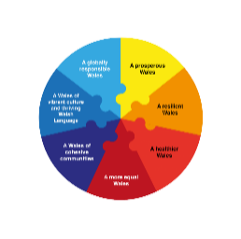 ● Challenge the driver(s) and ensure there are benefits to proceeding ● What was the result of your options appraisal? ● Think about the risks ● Does this service change support the Future Generations Act wellbeing goals?

